Dashboard
HR ATTRITION ANALYSIS DASHBOARD

TOTAL EMPLOYEES | ATTRITION RATE | EMPLOYEES LEFT | AVG TENURE
1470 | 43.0% | 632 | 9.1 yrs

ATTRITION ANALYSIS — 4 DIMENSIONS
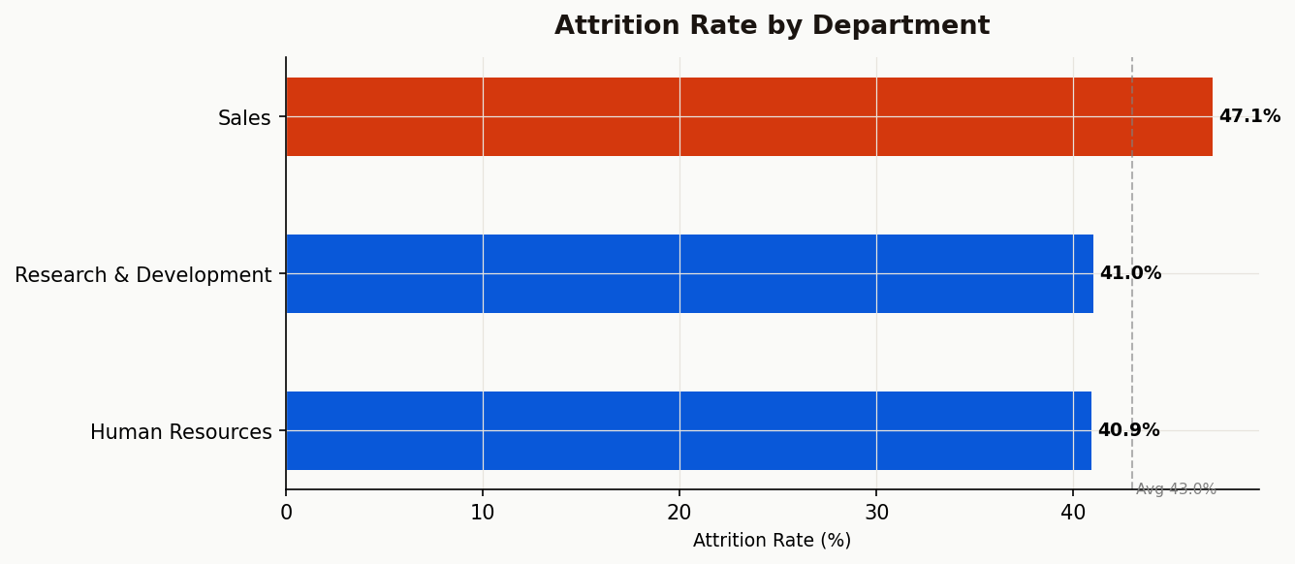

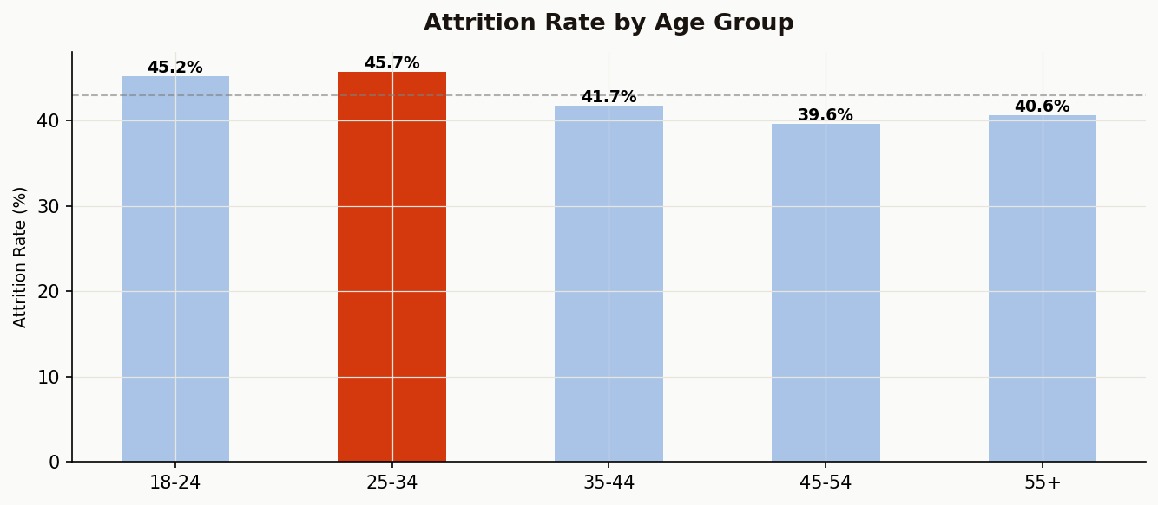

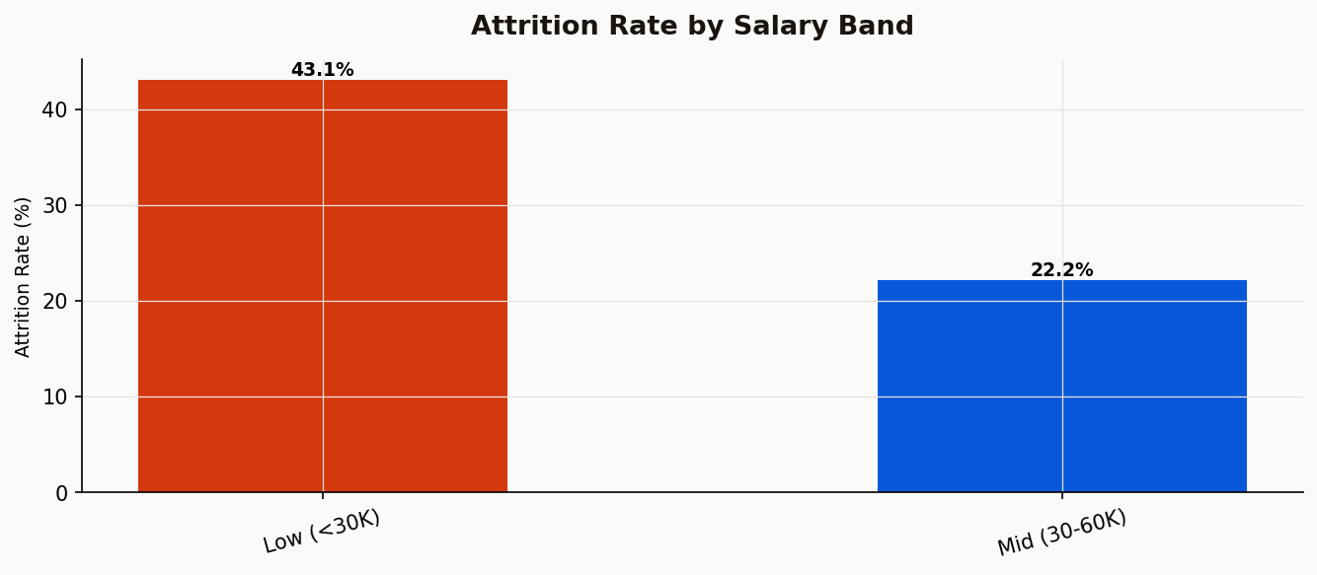

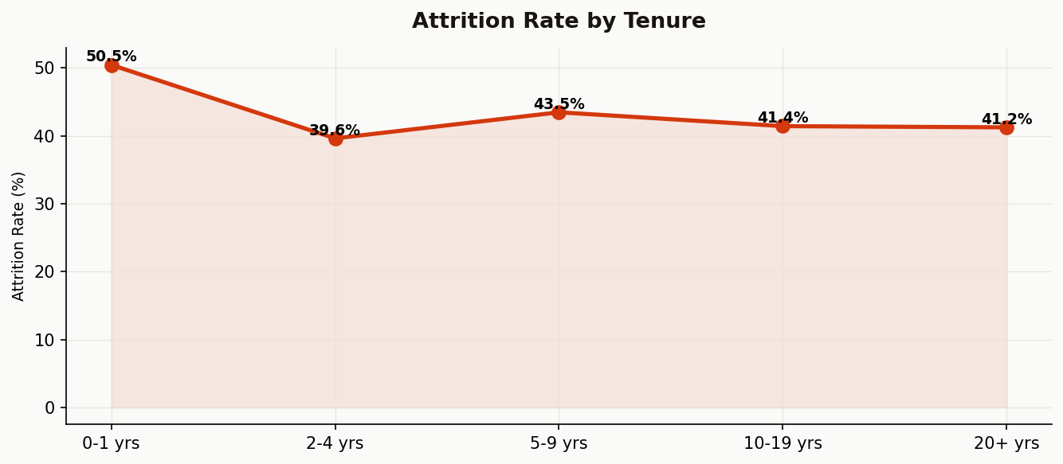

EXECUTIVE SUMMARY
The organization is experiencing an overall attrition rate of 43.0%, with 632 employees leaving out of 1470. The Sales department shows the highest attrition at 47.1%, significantly above the company average. Immediate intervention through targeted retention programs, manager training, and role satisfaction surveys is recommended for this department.
Compensation remains a critical driver of attrition. Employees in the lowest salary band (<₹30,000/month) leave at a rate of 43.1% — nearly 1.9x higher than the highest earners. Additionally, employees working overtime leave at 50.2% versus 40.2% for those who don't, indicating workload imbalance. A salary review for low-band employees and overtime policy reform should be prioritized in the next budget cycle.
Tenure analysis reveals that employees in the 0-1 yrs bracket have the highest attrition at 50.5%, suggesting a critical retention window. The 25-34 age group also shows elevated attrition, pointing to career growth concerns among early-career employees. Implementing structured career development plans, mentorship programs, and promotion timelines for employees in their first two years could significantly reduce overall attrition.

